TopEnd Routes
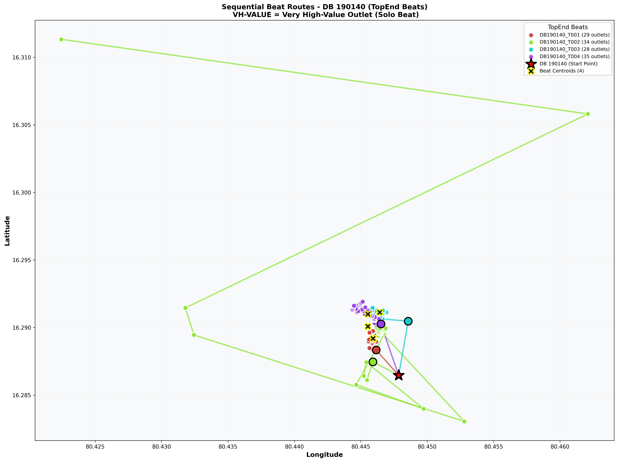
DB_Code | Classification | Image | Size
190140 | TopEnd | Sequential_Route_DB_190140_TopEnd.png | 593.6 KB

Normal Routes
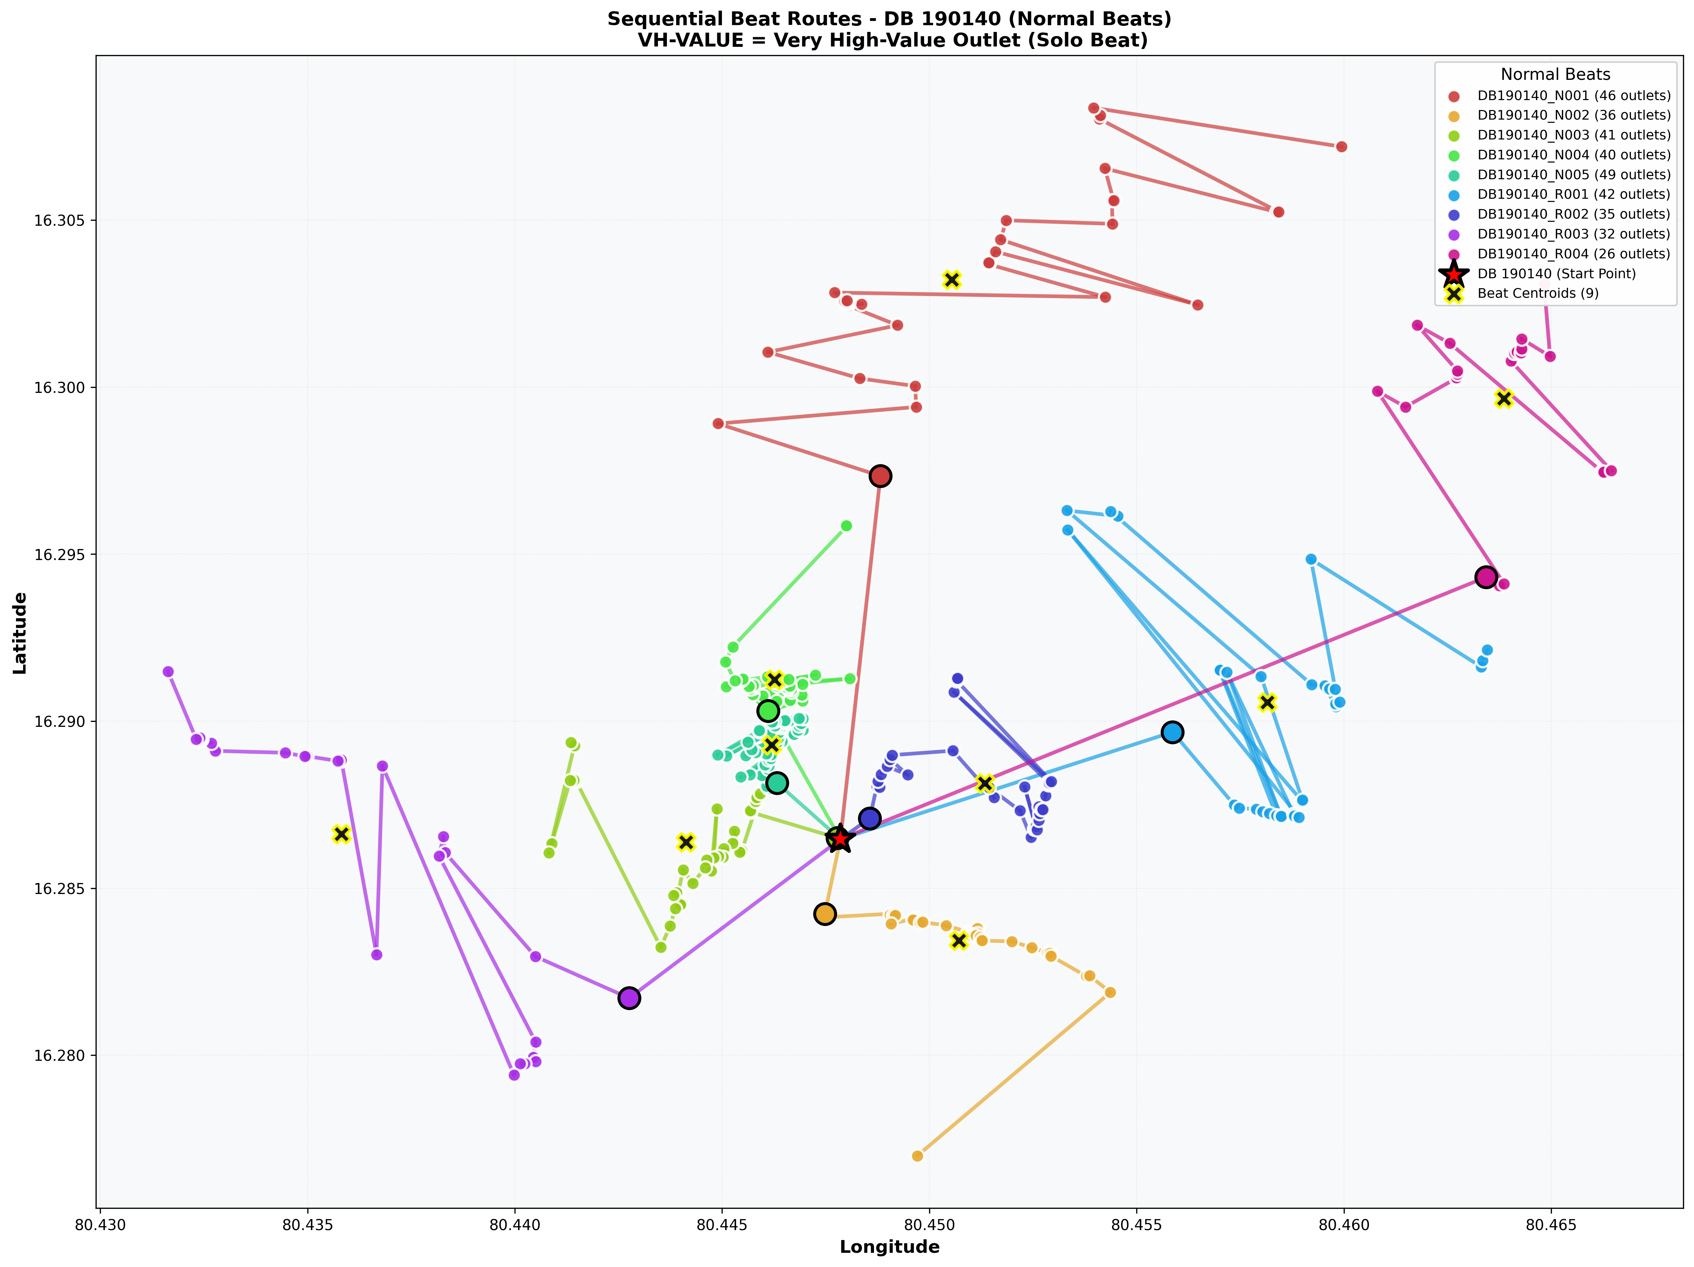
DB_Code | Classification | Image | Size
190140 | Normal | Sequential_Route_DB_190140_Normal.png | 1137.1 KB

